FS85_PDTCALC
FILL YELLOW CELLS BASED ON FS85/FS84 SETUP |  |  |  |  |  |  |  |  |  | FILL ORANGE CELLS BASED ON EXTERNAL DEVICES CHARACTERISTICS

 | Regulator |  | Vpre | Buck1 | Buck2 | Buck3 | LDO1 | LDO2 | Boost |  |  | Rth_ja | 30 °C/W
 | Max output current |  | 10.0 A | 2.5 A | 2.5 A | 2.5 A | 400.0 mA | 400.0 mA | 800.0 mA |  |  | Ta max | 125 °C
 |  |  |  |  |  |  |  |  |  |  |  | Tj max | 150 °C
 | SMPS calculations are valid in PWM mode and CCM mode

 | Vpre SMPS (adj from 3.3V to 5V) |  |  |  |  |  | Boost SMPS (5V or 5.74V) |  |  |  |  |  | LDO1 (adj from 1.1V to 5V) |  | LDO2 (adj from 1.1V to 5V) |  | FS85/FS84 Summary

 | Ext. R, L, C |  | Ext. MOSFETs |  | Converter |  | Ext. C, L and D |  | Int. MOSFET |  | Converter |  |  |  |  |  |  | Pdis | h
 | Cin | 47 µF | GHS_drive | 5.0 V | Vsup | 14.00 V | Cin | 50 µF | GLS_drive | 5.0 V | Vpre | 5.00 V | LDO1_in | Vpre |  |  | Vpre | 0.018 W | 30.3%
 | ESR Cin | 30.0 mΩ | HS_Rdson | 17.0 mΩ |  |  | ESR Cin | 3.0 mΩ | LS_Rdson | 280.0 mΩ |  |  | LDO1 | 2.50 V | LDO2 | 3.30 V | Boost | 0.000 W | -
 | Cout | 50 µF | HS_QGtot | 7.0 nC | Vpre | 5.00 V | Cout | 20 µF | QLS | 1.0 nC | Boost | 5.00 V | I_LDO1 | 0.0 mA | I_LDO2 | 0.0 mA | Buck1 | 0.000 W | 100.0%
 | ESR Cout | 3.0 mΩ | HS_QGD | 3.0 nC |  |  | ESR Cout | 10.0 mΩ | LS_SlewRate | 500 mV/us | Iboost_in | 0.0 mA |  | ( ≤ 400 mA ) |  | ( ≤ 400 mA ) | Buck2 | 0.000 W | -
 | L coil | 4.7 µH | HS_QGS | 2.0 nC | Ipre | 0.006 | L coil | 4.7 µH | TLS_sw | 10.00 ns |  |  |  |  |  |  | Buck3 | 0.000 W | -
 | DCR coil | 19.0 mΩ | HS_Igate | 900.0 mA | Ipre_add | 0.00 A | DCR coil | 30.0 mΩ |  |  | Iboost | 0.0 mA |  |  |  |  | LDO1 | 0.000 W | -
 | R shunt | 15.0 mΩ | THS_sw | 4.44 ns | Ipre_tot | 0.01 A | Vdiode | 0.35 V |  |  | Iboost_add | 0.0 mA |  |  |  |  | LDO2 | 0.000 W | -
 |  |  | GLS_drive | 5.0 V |  | ( ≤ 10 A ) |  |  |  |  | Iboost_tot | 0.0 mA |  |  |  |  | Int. IC | 0.070 W | -
 |  |  | LS_Rdson | 17.0 mΩ |  |  |  |  |  |  |  | ( ≤ 800 mA )
 |  |  | LS_QGtot | 7.0 nC | Freq | 455 kHz
 |  |  | LS_QGD | 3.0 nC |  |  |  |  |  |  | Freq | 2220 kHz
 |  |  | LS_QGS | 2.0 nC
 |  |  | LS_QRR | 16.0 nC
 |  |  | LS_Igate | 900.0 mA
 |  |  | TLS_sw | 4.44 ns
 |  |  | I_BOS | 6.4 mA

 |  |  | duty cycle | 35.7% | Pout | 0.0 W |  |  | duty_cycle | 6.5% | Pout | 0.0 W

 | P_HS_cond | 0.000 W | P_DT | 0.000 W | 1.6 |  | P_LS_cond | 0.000 W | P_Cin | 0.000 W |  |  | Pout | 0.00 W | Pout | 0.00 W | Pout_tot | 0.00 W | -
 | P_HS_sw | 0.000 W | P_Cin | 0.000 W | 1 |  | P_LS_sw | 0.000 W | P_Cout | 0.000 W |  |  | Pdis_IC | 0.000 W | Pdis_IC | 0.000 W | Pdis_tot | 0.14 W | -
 | P_LS_cond | 0.000 W | P_Cout | 0.0006 W | 1 |  | P_diode | 0.000 W | P_L | 0.000 W |  |  | h | - | h | - | Pdis_tot_IC | 0.088 W | -
 | P_LS_sw | 0.000 W | P_L | 0.004 W
 | P_Qrr | 0.051 W | P_R | 0.000 W

 | Pdis_tot | 0.073 W | DIL | 1.50 A | DCM |  | Pdis_tot | 0.000 W | DIL | 0.00 A | DCM |  |  |  |  |  | Max_Ta | 147.37 °C | -
 | Pdis_IC | 0.018 W | Ipeak | 0.76 A |  |  | Pdis_IC | 0.000 W | Ipeak | 0.00 A |  |  |  |  |  |  | h tot_IC | 0.0% | -
 | h Vpre | 30.3% | Vout_ripple | 12.77 mV |  |  | h Boost | 100.0% | Vout_ripple | 0.00 mV

 | Buck1 SMPS (adj from 0.8V to 1.8V) |  |  |  |  |  | Buck2 SMPS (adj from 0.8V to 1.8V) |  |  |  |  |  | Buck3 SMPS (adj from 1.0V to 3.3V)

 | Ext. C and L |  | Int. MOSFETs |  | Converter |  | Ext. C and L |  | Int. MOSFETs |  | Converter |  | Ext. C and L |  | Int. MOSFETs |  | Converter
 | Cin | 50 µF | HS_Rdson | 135.0 mΩ | Vpre | 5.00 V | Cin | 50 µF | HS_Rdson | 135.0 mΩ | Vpre | 5.00 V | Cin | 50 µF | HS_Rdson | 135.0 mΩ | Vpre | 5.00 V
 | ESR Cin | 3.0 mΩ | QHS | 0.5 nC |  |  | ESR Cin | 3.0 mΩ | QHS | 0.5 nC |  |  | ESR Cin | 3.0 mΩ | QHS | 0.5 nC
 | Cout | 44 µF | THS_sw | 5.00 ns | Buck1 | 1.80 V | Cout | 44 µF | THS_sw | 5.00 ns | Buck2 | 1.25 V | Cout | 40 µF | THS_sw | 5.00 ns | Buck3 | 3.30 V
 | ESR Cout | 10.0 mΩ | GHS_drive | 5.0 V |  |  | ESR Cout | 10.0 mΩ | GHS_drive | 5.0 V |  |  | ESR Cout | 10.0 mΩ | GHS_drive | 5.0 V
 | L coil | 1.0 µH | LS_Rdson | 80.0 mΩ | Ibuck1 | 0.00 A | L coil | 1.0 µH | LS_Rdson | 80.0 mΩ | Ibuck2 | 0.00 A | L coil | 1.0 µH | LS_Rdson | 80.0 mΩ | Ibuck3 | 0.00 A
 | DCR coil | 20.0 mΩ | QLS | 0.5 nC |  | ( ≤ 2.5 A ) | DCR coil | 20.0 mΩ | QLS | 0.5 nC |  | ( ≤ 2.5 A ) | DCR coil | 30.0 mΩ | QLS | 0.5 nC | Ibuck3_tot | 0.00 A
 |  |  | TLS_sw | 5.00 ns |  |  |  |  | TLS_sw | 5.00 ns |  |  |  |  | TLS_sw | 5.00 ns |  | ( ≤ 2.5 A )
 |  |  | GLS_drive | 5.0 V | Freq | 2220 kHz |  |  | GLS_drive | 5.0 V | Freq | 2220 kHz |  |  | GLS_drive | 5.0 V | Freq | 2220 kHz

 |  |  | duty_cycle | 36.0% | Pout | 0.0 W |  |  | duty_cycle | 25.0% | Pout | 0.0 W |  |  | duty_cycle | 66.0% | Pout | 0.0 W

 | P_HS_cond | 0.000 W | P_Cin | 0.000 W |  |  | P_HS_cond | 0.000 W | P_Cin | 0.000 W |  |  | P_HS_cond | 0.000 W | P_Cin | 0.000 W
 | P_HS_sw | 0.000 W | P_Cout | 0.0000 W |  |  | P_HS_sw | 0.000 W | P_Cout | 0.0000 W |  |  | P_HS_sw | 0.000 W | P_Cout | 0.0000 W
 | P_LS_cond | 0.000 W | P_L | 0.000 W |  |  | P_LS_cond | 0.000 W | P_L | 0.000 W |  |  | P_LS_cond | 0.000 W | P_L | 0.000 W
 | P_LS_sw | 0.000 W |  |  |  |  | P_LS_sw | 0.000 W |  |  |  |  | P_LS_sw | 0.000 W

 | Pdis_tot | 0.000 W | DIL | 0.52 A | DCM |  | Pdis_tot | 0.000 W | DIL | 0.00 A | DCM |  | Pdis_tot | 0.000 W | DIL | 0.00 A | DCM
 | Pdis_IC | 0.000 W | Ipeak | 0.26 A |  |  | Pdis_IC | 0.000 W | Ipeak | 0.00 A |  |  | Pdis_IC | 0.000 W | Ipeak | 0.00 A
 | h Buck1 | 100.0% | Vout_ripple | 5.85 mV |  |  | h Buck2 | 100.0% | Vout_ripple | 0.00 mV |  |  | h Buck3 | 100.0% | Vout_ripple | 0.00 mV

FS85 Power Distribution
Vpre Power Distribution
 | Vpre Power Distribution
P_HS_cond | 0.000 W
P_HS_sw | 0.000 W
P_LS_cond | 0.000 W
P_LS_sw | 0.000 W
P_L | 0.004 W
Buck1 Power Distribution
 | Buck1 Power Distribution
P_HS_cond | 0.000 W
P_HS_sw | 0.000 W
P_LS_cond | 0.000 W
P_LS_sw | 0.000 W
P_L | 0.000 W

Boost Power Distribution
 | Boost Power Distribution
P_LS_cond | 0.000 W
P_LS_sw | 0.000 W
P_diode | 0.000 W
P_L | 0.000 W
Buck2 Power Distribution
 | Buck2 Power Distribution
P_HS_cond | 0.000 W
P_HS_sw | 0.000 W
P_LS_cond | 0.000 W
P_LS_sw | 0.000 W
P_L | 0.000 W
P_HS_cond
P_HS_sw
P_LS_cond
P_LS_sw
P_L
Buck3 Power Distribution
 | Buck3 Power Distribution
P_HS_cond | 0.000 W
P_HS_sw | 0.000 W
P_LS_cond | 0.000 W
P_LS_sw | 0.000 W
P_L | 0.000 W

FS85_UseCases
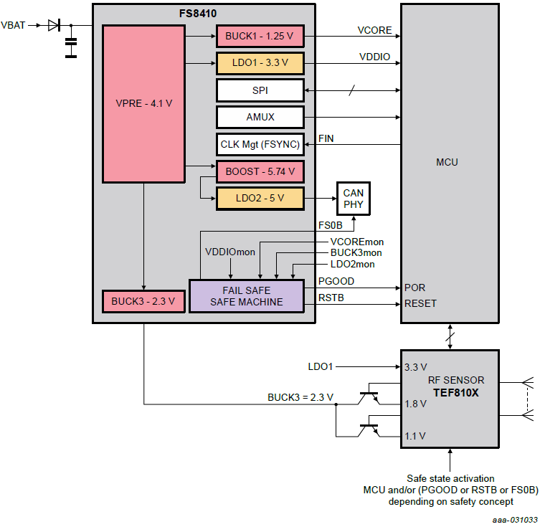
FS8530_Generic_UseCase


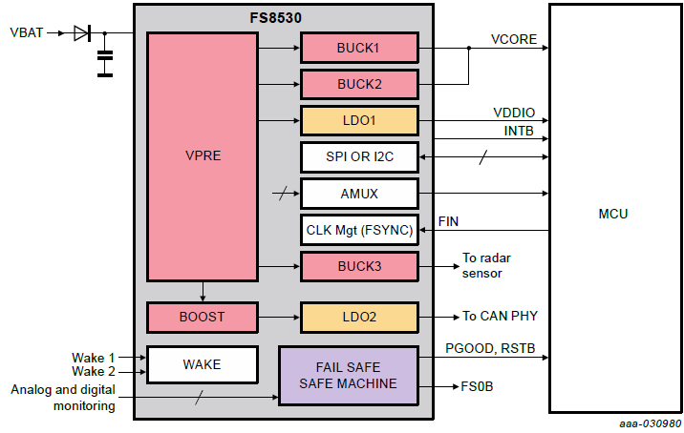

FS8500_RR_Eagle_UseCase

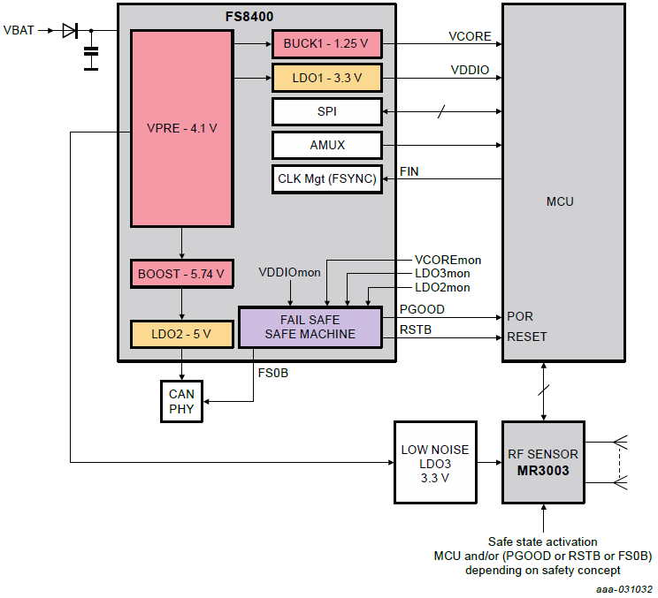

FS8510_RR_Dolphin_UseCase

